Specimen
Specimen
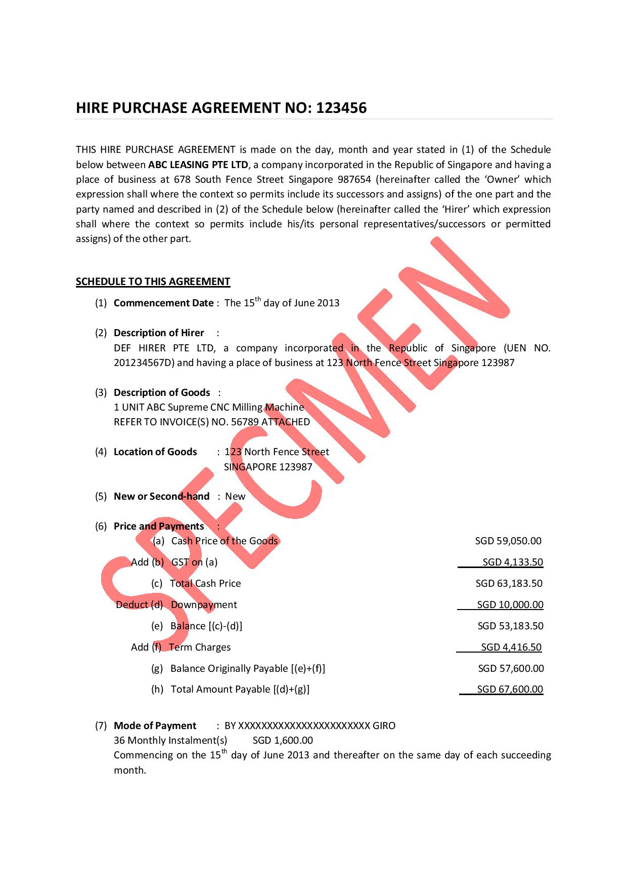
Productivity and Innovation Credit (PIC) Hire Purchase (HP) Template for Years of Assessment (YAs) 2013 to 2018

Instructions for HP Equipment 1 1. Complete Parts (A) to (C) 2. Enter the qualifying cost computed in Part (C) in Annex A1 of your PIC Cash Payout Application Form 3. If you acquired other HP equipment in the same YA, complete the relevant tab(s) "HP Equipment 2" to "HP Equipment 5" in sequential order. Skipping a tab will result in computation errors 4. Print all pages of the HP template and submit it with your PIC Cash Payout Application Form 5. Save a softcopy of the HP template. For future claims on the same HP equipment, update the relevant financial period in Part (C) and repeat steps (2) and (4) above.

(A) Business Particulars (As per PIC Cash Payout Application Form)
(A1) Name of business | DEF HIRER PTE LTD
(A2) Tax reference number | 201234567D
B2
(A3) Year End | 2013-12-31
(A4) Is the business GST registered? | Y

(B) HP Details (As per HP agreement)
(B1) Description of asset | 1 UNIT ABC Supreme CNC Milling Machine
(B2) Date of HP agreement (dd/mm/yyyy) | 2013-06-15
B1
(B3) Date of first instalment (dd/mm/yyyy) | 2013-06-15
(B4) Number of instalments | 36
(B5) First instalment ($) | $1,600
(B6) Subsequent instalments ($) | $1,600
(B7) Final instalment ($) | $1,600

(B8) Cash purchase price (exclude GST and HP interest) | $59,050
(B9) GST amount | $4,134
(B10) Total | $63,184

B8
B9
(B11) Downpayment | $10,000
(B12) Term charges / HP interest | $4,417

B11
(B13) Non-qualifying costs | $0
(B14) Other qualifying activities in the YA | $0

(B15) Total qualifying cost for HP Equipment 1 | $59,050
B12

(C) Qualifying Cost for the Relevant Financial Period

Relevant Financial Period (As Per PIC Cash Payout Application Form)
B5 B6 B7
B4
(C1) From: | 2013-01-01
(C2) To: | 2013-12-31
B3
(C3) YA | 2014

(C4) Qualifying Cost | $16,208
 | (to be claimed in Annex A1)

Do not print this page for submission.

